Instructions

 |  | Excel Skills for Data Analytics and Visualization
 |  | Course 2 — Data Visualization in Excel

 |  | Course Final

Instructions
Scenario: You work at a small analytics company. The Sales Department at said company has requested your aid in analyzing the sales of nine of their agents to be able to assess performance. They specifically requested that they receive a dashboard detailing your findings, and have it be interactive. They gave the project to some other colleague, but they were unable to complete it on time. Therefore, you will see that some parts of the project are already done for you.

Step | Instruction
1a) | Start your analysis in the Summary sheet, which depicts a summary of each of the nine agent's sales, and also this is where your colleague completed most of their work.
b) | Knowing that performance is being measured, you dedice to highlight the top 5% of monthly sales. In the Summary sheet, add a conditional format to the data in C5:N13 to show the top 5%.
c) | Make the Summary sheet interactive by adding a conditional format in A5:O13 that will highlight the whole row where the salesperson's name matches the selection in B15.
d) | You want to effectly show if an agent's monthly sales were increased. Apply custom number formatting to the data in P5:P13 so that if the number is >0, it show a white star and otherwise leaves the cell blank.
e) | In Q5 insert a Column Sparkline to visualize the data in C5:N5. Copy the sparkline down to Q13.

2a) | In the Summary sheet, below the nine agent's performance, is a series of charts completed by your colleague. You notice issues with them, however.
b) | The chart titled Sales May-Oct 2019 is showing the monthly sales for two salespeople, but it is difficult to see which ones. Turn on the legend, and show at the bottom.
c) | This same chart is missing the Horizontal Axis labels. Fill them in.
d) | In this chart, select the line series and add a best fitting trend line to it. Show the R-Squared value.
e) | In the Sales by Region chart, the values are not being picked up. Update the series to use the relevant data in A38:D58.
f) | After correcting the data, the chart is still not quite right because the horizontal axis is not aligning correctly to the map. The values need to be changed to Min -180 and Max 180.

3a) | Go to the Data sheet that contains all the orders received for 2019 and 2020. You need to find out the total value of orders placed for each month in 2019.
b) | Insert a Pivot Table called pvtSalesByMonth in the Sales by Month sheet. Add Order Month to Rows, Extended Price to Values, and Order Year to Columns.
c) | Change pvtSalesByMonth to show the number of orders by Year and Month.
d) | Now, move Order Year and Salesperson to the Filter Section.
e) | Create a Line Pivot Chart to represent the data in pvtSalesByMonth. Change the title to Orders by Month.
f) | Clean up the chart by turning off the legend, the field buttons, and the gridlines.
g) | The Sales department has a target of 10 orders per month. You would like to show how each salesperson's monthly order totals compare to their target in the chart. Add a calculated field called Target with a value of 10.
h) | Copy and paste the chart into the Dashboard sheet. Move it so it sits over South America and Africa and turn off the title and set the Fill and Border to Nothing.

4a) | Using the Data sheet, create a new Pivot Table in the Sales by Quarter sheet called pvtSalesByQuarter to show the total sales (extended price) by Quarter.
b) | Add Order Year and Salesperson to the Filter area.
c) | Create a Doughnut Pivot Chart to visualize the data in pvtSalesByQuarter. Move the chart to the Dashboard sheet and position to the right of the other chart.
d) | Turn off the legend, chart title, field buttons, fill colour, and outline. Turn on the data labels to show the Quarter and % (with no decimal places) placed on a white background.

5) | You want to satisfy the interactivity request of the dashboard. In the space on the left, add two slicers, one for Order Year and one for Salesperson. Change the styling for both sliders to match the dasboard, and link both slicers to all of the pivot tables.

Sales by Month
Order Year | 2020
Salesperson | Gio Maletti

Row Labels | Count of Quantity | Sum of Target
Jan | 4 | 10
Feb | 11 | 10
Orders by Month
Mar | 10 | 10
Apr | 17 | 10
May | 20 | 10
Jun | 27 | 10
Jul | 31 | 10
Aug | 17 | 10
Sep | 25 | 10
Oct | 24 | 10
Grand Total | 186 | 10

Sales by Quarter
Order Year | 2020
Salesperson | Gio Maletti

Row Labels | Sum of ExtendedPrice
Qtr1 | 10469.46
Qtr2 | 34422.09
Qtr3 | 64044.97
Qtr4 | 12957.36
Grand Total | 121893.88

Summary
Summary Data

 |  | Sales 2019 |  |  |  |  |  |  |  |  |  |  |  |  | ★
Salespeople | Total Sales 2018 | Jan | Feb | Mar | Apr | May | Jun | Jul | Aug | Sep | Oct | Nov | Dec | Total Sales 2019 | Increase? | Trends
Chloe Summers | 103956.97 | 11860.45 | 1492.37 | 5462.7 | 10294.33 | 14736.06 | 6099.2 | 16945.01 | 18913.44 | 5230.08 | 13475.99 | 6915.27 | 4082.84 | 115507.74 | ★
Cindy Wong | 24460.11 | 1638.82 |  | 1420 | 1393.2 | 3901.08 | 10030.82 |  |  | 2520.4 |  | 4500.27 | 3037.4 | 28441.99 | ★
Sam Achebe | 71888.52 | 1614.88 | 4707.2 | 7499.7 | 1497 | 11998.82 | 8446.91 | 7331.6 | 1946.4 | 5124.07 | 240 | 9115.96 | 5468.35 | 64990.89
Kevin Stroud | 48388.1 | 1685.2 | 8263.8 | 4832.3 | 385.2 | 704.8 | 4603.22 | 8350.57 | 7403.36 | 4436.48 | 1060 | 4402.4 | 2262.91 | 48390.24
Lisa Beddard | 16719.13 | 4364.3 |  |  | 5364.21 |  | 166 | 966.8 |  | 1505.18 | 564.8 | 139.8 | 3482.5 | 16553.59
Maya Diaz | 54156.21 | 1176 | 1814 | 2950.8 | 5164 | 2924.8 | 5221.86 | 5565.48 | 1584 | 2844.9 | 13118.65 | 4373.32 | 6882.2 | 53620.01
Paul Nielsen | 48649.56 |  | 479.4 | 1206.6 | 3624.48 | 9921.68 |  | 11217.34 | 3891 | 668.8 | 8150.16 | 5536.96 | 2082 | 46778.42
Gio Maletti | 78491.37 | 2963.22 | 3452.08 | 1762 | 3579.88 | 3707.98 | 2758.8 | 5054.64 | 12139.01 | 11599.4 | 10252.55 | 18049.6 | 5599.78 | 80918.94 | ★
Shashi Singh | 32630.65 | 2559.02 | 2540.12 | 3695.6 | 288 | 2228.46 | 5331.4 | 1380 | 1324.24 | 1195.2 | 9593.5 | 747.7 | 3464.81 | 34348.05 | ★

Select Salesperson: | Cindy Wong
Sales May-Oct 2019
Sales by Region
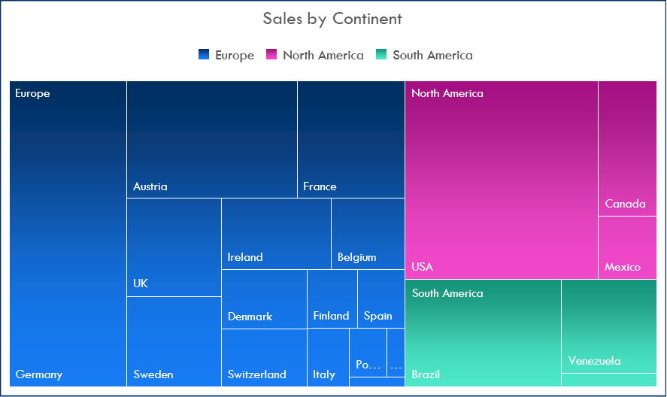

Country | Sales 2019 | Latitude | Longitude
Argentina | 1098.1 | -38.416097 | -63.616672
Austria | 50305.29 | 47.516231 | 14.550072
Belgium | 13362.18 | 50.503887 | 4.469936
Brazil | 34467.46 | -14.235004 | -51.92528
Canada | 25688.54 | 56.130366 | -106.346771
Denmark | 17494 | 56.26392 | 9.501785
Finland | 12182.76 | 61.92411 | 25.748151
France | 40961.82 | 46.227638 | 2.213749
Germany | 89354.24 | 51.165691 | 10.451526
Ireland | 17513.3 | 53.41291 | -8.24389
Italy | 4054.33 | 41.87194 | 12.56738
Mexico | 16513.71 | 23.634501 | -102.552784
Norway | 1258.4 | 60.472024 | 8.468946
Poland | 459 | 51.919438 | 19.145136
Portugal | 7261.42 | 39.399872 | -8.224454
Spain | 4152.7 | 40.463667 | -3.74922
Sweden | 18397.47 | 60.128161 | 18.643501
Switzerland | 10400.32 | 46.818188 | 8.227512
UK | 25014.04 | 55.378051 | -3.435973
USA | 77362.31 | 37.09024 | -95.712891
Venezuela | 22248.48 | 6.42375 | -66.58973

Dashboard

Mini Sales Dashboard

 | Count of Quantity | Sum of Target
Jan | 4 | 10
Feb | 11 | 10
Mar | 10 | 10
Apr | 17 | 10
May | 20 | 10
Jun | 27 | 10
Jul | 31 | 10
Aug | 17 | 10
Sep | 25 | 10
Oct | 24 | 10
 | Total
Qtr1 | 10469.46
Qtr2 | 34422.09
Qtr3 | 64044.97
Qtr4 | 12957.36

